PO
 | PURCHASE ORDER

EXPORTER: | DATE:
 | REFERENCE:
 | SHIPMENT TERMS:
 | SHIPMENT MODE:
 | PAYMENT TERMS:

IMPORTER REPRESENTATIVE: | SHIP TO:

DESCRIPTION | QTY | UM | UNIT PRICE | AMOUNT

Amount in words: |  |  | SUBTOTAL | € -
 |  |  | OTHER | -
 |  |  | TOTAL | € -

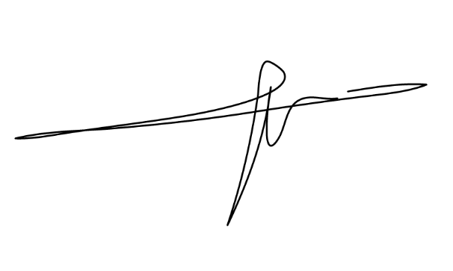

PREPARED BY: | ORIGIN: France
 | LOADING : Port of Vincennes - France
 | DISCHARGE : Port of Shanghai China

_____________________________________

